Main
INSTRUCTIONS:
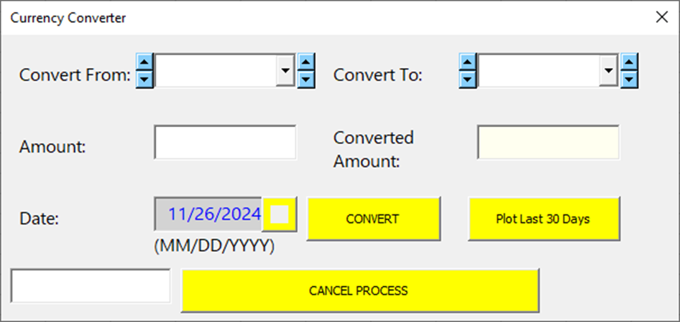
M
E
F
L
`

A
B

4
C
I

D
G
H

K
J

 | 1) Click button "M" to launch the Currency Converter Form

A
 | 2) In the Convert From dropdown box, select or type in the currency to be converted

B
 | 3) In the Convert To dropdown box, select or type in the currency with which you wish to compare

C
 | 4) Enter value in the Amount Box

D
 | 5) Press the inner silver square to engage calendar. Select a date on the calendar. Press OK.

E
 | 6) These 2 sets of up-down arrows (on the left of their respective combo boxes) control the sort order of the currency list.
 | There are 3 settings:
 | •(1) Alphabetical, Ascending order
 | •(2) By Popularity (Default)
 | •(3) Alphabetical, Descending order
 | To cycle through these settings, press the up arrow. This will make tickers sort by ascending order. To re-sort by popularity, press the down arrow once. Press once more to re-sort tickers in descending order. This is the lowest setting for the down arrow, and only up arrows work from here.
 | Now press the up arrow once to revert back to the default sort. Press once more to return to the ascending sort. This is the highest setting for the up arrow, and only down arrows work from here.

F
 | 7) These 2 sets of up-down arrows (on the right of their respective combo boxes) control the sort order of the country-1st list
 | There are 3 settings:
 | •(1) Alphabetical, Ascending order
 | •(2) By Popularity (Default)
 | •(3) Alphabetical, Descending order
 | To cycle through these settings, press the up arrow. This will make countries sort by ascending order. To re-sort by popularity, press the down arrow once. Press once more to re-sort countries in descending order. This is the lowest setting for the down arrow, and only up arrows work from here.
 | Now press the up arrow once to revert back to the default sort. Press once more to return to the ascending sort. This is the highest setting for the up arrow, and only down arrows work from here.

G
 | CHOOSE WHETHER TO CONVERT(H) OR TO PLOT LAST 30 DAYS (I)
 | If Converting:
 | 8i) Press the "CONVERT" button
 | A wait message appears while the answer is being calculated

I
 | Answer appears in the Converted Amount Box

H
 | If Plotting Last 30 Days:
 | 8ii) Press the "Plot Last 30 Days" button
 | A wait message appears while the data is being downloadea and calculated. The Progress Bar (hidden in this view) appears below the "CANCEL PROCESS" button to help users estimate time to completion.
 | Once complete, a graph with the plotted data is produced. Please note that pressing the "CONVERT" or "Plot Last 30 Days" button to perform a new calculation will then erase the current graph.

J
 | Press "CANCEL PROCESS" to stop execution. If the "CONVERT" button was previously pressed, the process will terminate. However, if the "Plot Last 30 Days" button was previously pressed -
 | and if enough data has been downloaded, the program will ask you if you still want to produce a smaller partial graph, of the information already captured.

K
 | 9) This textbox will display the date of the last calculation ran.
 | If triggered by the "CONVERT" button, the textbox will show the last date ran. If triggered by the "Plot Last 30 Days" button, the textbox will show the earliest day(date) of that date series ran.

L
 | 10) Use the upper-right "X" button to close the form normally. This button is however, is disabled while any calculation process runs.
 | Thus to close while running, always press the "CANCEL PROCESS" button (J) as directed by the wait message.

M
 | This button enables / disables the Conversion form from automatically appearing at whatever random cell the user clicks.
 | Turning off events allows the user to review these instructions with no interruptions.

* Only historical currency data after ON or AFTER January 1, 1996, can be retrieved or processed.
* Each control on the Conversion form has built-in error-handling guards to prevent users from entering invalid values.
* Hovering over each command button temporarilly changes that button's color depending on the color set. Colors for both pairs of spin buttons (button sets E and F) however, do NOT change.
* Comboboxes (images A and B) utilize API codes to allow user to scroll up and down the each list.
* Dates CANNOT be manually entered into the darker-gray-shaded Datebox next to control button D. Button D must be used instead to generate the calendar to select a date.
* Controls "I" and "K" only present information and users CANNOT manipulate these controls.
* The form can be moved and then used anywhere on the user's computer screen; including off of the Excel background (onto the Windows Desktop for example).
* After appearing, the Wait form can also be moved out of the way to access controls on the main form.
* Certain controls are disabled while calculations take place. Any current answer in the Amount box (control key letter "I"), will become greyed out immediately once any date or currency selection is changed.

